Terms
MOVE RIGHT TO SEE GRAPHS
TERM | FULL TERMINOLOGY | PORT | CONCEPT
SOC | Security Operation Centre
SIEM | Security Information and Event Management |  | The security information and event management (SIEM) “an approach to security management that combines SIM (security information management) and SEM (security event management) functions into one security management system.”
SSL | Secure Sockets Layer |  | a security protocol that creates an encrypted link between a web server and a web browser. Companies and organizations need to add SSL certificates to their websites to secure online transactions and keep customer information private and secure.
S/MIME | Secure/Multipurpose internet Mail Extensions |  | a widely accepted protocol for sending digitally signed and encrypted messages.
PRI | Primary Rate Interface |  | A digital transmission service for businesses from the telephone company. Widely used to connect a company PBX to the public switched telephone network (PSTN), PRI is an ISDN dial-up service that is based on the T1 line in North America (24 channels) and E1 in Europe (32 channels).
PRL | Preferred Roaming List |  | The list of service providers stored in a CDMA cellphone that the phone is roaming outside its home area. The PRL should automatically be updated by the carrier; however, it may be manually reset and updated by the customer when there are roaming connection problems.
CDMA | Code Division Multiple Access |  | GSM uses SIM cards to connect a mobile phone with its network, whereas CDMA does not need any SIM card and operates on ESNs (Electronic Serial Number).
GSM | Global System for Mobiles |  | GSM uses SIM cards to connect a mobile phone with its network, whereas CDMA does not need any SIM card and operates on ESNs (Electronic Serial Number).
IIS | Internet Information Services
IMEI | International Mobile Equipment Identity |  | it's a 15-digit number unique to each device. Phone carriers and manufacturers share IMEI numbers to enable tracking of smartphones that may be stolen or compromised.
IMSI | International Mobile Subscriber Identity |  | a unique number assigned to every mobile phone used by cellular networks to identify valid devices and allow them to be connected to the network. The number consists of up to 15 digits. The IMSI identifies a specific GSM subscriber, in other words.
VPN | Virtual private network
FTP | File Transfer Protocol | 21 | a standard network protocol used for the transfer of files from one host to another over a TCP-based network, such as the Internet.
SSH | Secure Socket Shell | 22 | a network protocol that gives users, particularly system administrators, a secure way to access a computer over an unsecured network. SSH also refers to the suite of utilities that implement the SSH protocol.
TELNET | Teletype Network | 23 | a type of protocol that enables one computer to connect to the local computer. It is used as a standard TCP/IP protocol for virtual terminal service which is provided by ISO. The computer which starts the connection is known as the local computer.
DNS | Domain Name System | 53 | turns domain names into IP addresses, which browsers use to load internet pages. Every device connected to the internet has its own IP address, which is used by other devices to locate the device.
HTTP | HyperText Transfer Protocol | 80 | standard application-level protocol used for exchanging files on the World Wide Web.
POP3 | Post Office Protocol 3 | 110 | the most commonly used protocol for receiving email over the internet.
IMAP | Internet Message Access Protocol | 143 | a protocol for accessing email or bulletin board messages from a (possibly shared) mail server or service.
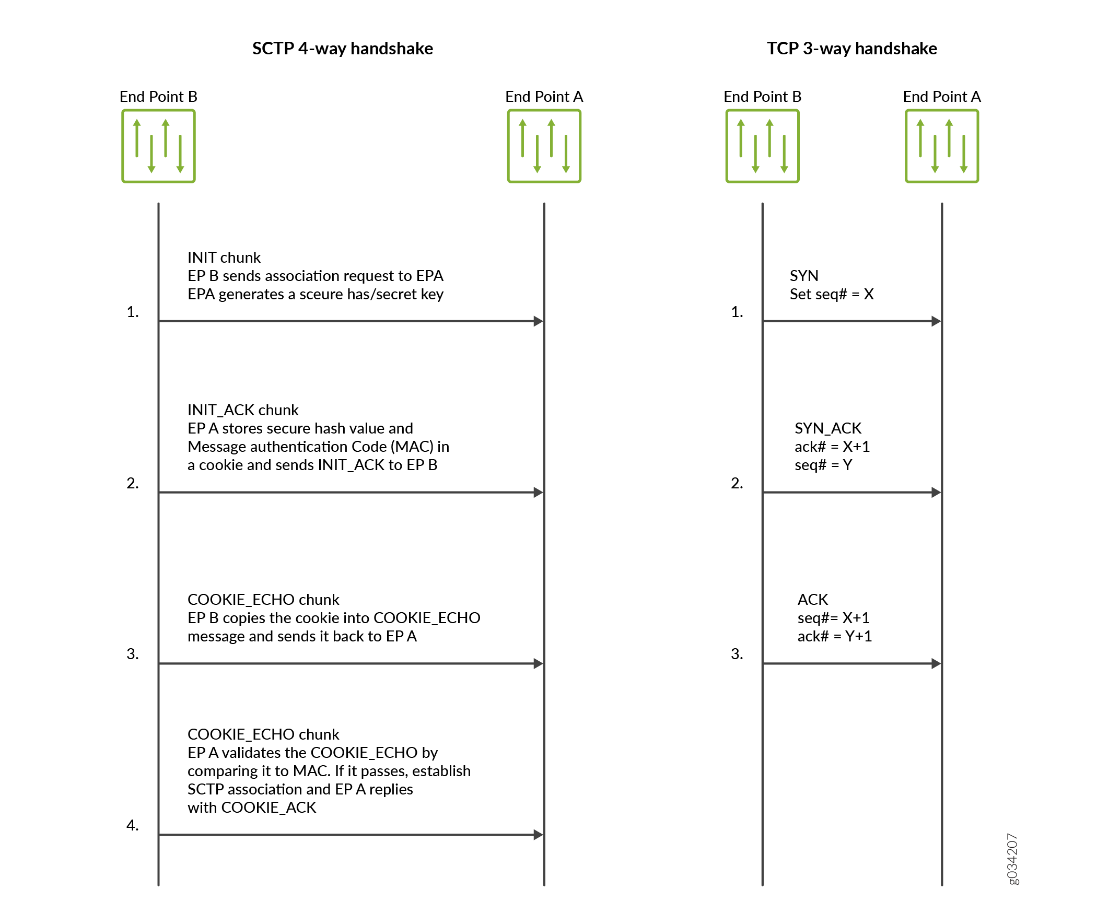
SMTP | Simple Mail Transfer Protocol | 25 | a TCP/IP protocol used in sending and receiving email. SMTP is used most commonly by email clients, including Gmail, Outlook, Apple Mail and Yahoo Mail. SMTP can send and receive email, but email clients typically use a program with SMTP for sending email.
HTTPS | Hypertext Transfer Protocol Secure | 443 | an extension of HTTP and is used for secure communication over a digital network, most often the Internet.
RDP | Remote Desktop Protocol | 3389 | a communication tunnel between the Terminal Server and the Terminal Server Client.
NetBIOS/NetBT | Network Basic Input/Output System | 137-139 | services related to the session layer of the OSI model allowing applications on separate computers to communicate over a local area network. As strictly an API, NetBIOS is not a networking protocol.
OSI | Open Systems Interconnection |  | (OSI) model describes seven layers that computer systems use to communicate over a network. It was the first standard model for network communications, adopted by all major computer and telecommunication companies in the early 1980s.
SMB/CIFS | Server Message Block/Common Internet File System | 445 | CIFS (Common Internet File System) and SMB (Server Message Block) are both Windows file-sharing protocols used in storage systems, such as network-attached systems (NAS). The key difference between CIFS and SMB is that CIFS is a dialect of SMB – a particular implementation of the SMB protocol.
NAS | Network-Attached Systems |  | a dedicated file storage that enables multiple users and heterogeneous client devices to retrieve data from centralized disk capacity. Users on a local area network (LAN) access the shared storage via a standard Ethernet connection.
SLP | Service Location Protocol | 427 | a service discovery protocol that allows computers and other devices to find services in a local area network without prior configuration
AFP | Apple Filing Protocol | 548 | an Apple proprietary networking protocol used for file services via a networked connection. AFP is short for Apple Filing Protocol, this is an Apple proprietary networking protocol that offered file based services for macOS.
TFTP | Trivial File Transfer Protocol | 69 | a simple protocol that provides basic file transfer function with no user authentication. TFTP is intended for applications that do not need the sophisticated interactions that File Transfer Protocol (FTP)
AFP | Apple Filing Protocol | 548 | formerly AppleTalk Filing Protocol, is a proprietary network protocol, and part of the Apple File Service (AFS), that offers file services for macOS, classic Mac OS, and Apple IIs. In OS X 10.8 Mountain Lion and earlier, AFP was the primary protocol for file services.
DHCP | Dynamic Host Configuration Protocol | 67/68 | a network server that automatically provides and assigns IP addresses, default gateways and other network parameters to client devices. The DHCP employs a connectionless service model, using the User Datagram Protocol (UDP). It is implemented with two UDP port numbers for its operations which are the same as for the bootstrap protocol (BOOTP).
LDAP | Lightweight Directory Access Protocol | 389 | a vendor-neutral software protocol used to lookup information or devices within a network. Whether you want to build a central authentication server for your organization or want to simplify access to internal servers and printers, LDAP is the answer.
SNMP | Simple Network Management Protocol | 161/162 | an internet standard protocol used to monitor and manage network devices connected over an IP. SNMP is used for communication between routers, switches, firewalls, load balancers, servers, CCTV cameras, and wireless devices.
 | tcp vs udp |  | TCP is best used for direct communication in which a reliable connection is needed, such as web browsing, email, text messaging, and file transfers. UDP is best used for live and real-time data transmission when speed is more important than reliability.
TCP | Transmission Control Protocol
UDP | User Datagram Protocol
IANA | Internet Assigned Numbers Authority
DCCP | Datagram Congestion Control Protocol |  | DCCP is widely used in applications package delivery is composed of time constraints. The examples that come under this category include multiplayer online games, internet telephony, streaming media (video, audio), etc.
SCTP | Stream Control Transmission Protocol |  | a transport-layer protocol that ensures reliable, in-sequence transport of data. SCTP provides multihoming support where one or both endpoints of a connection can consist of more than one IP address. This enables transparent failover between redundant network paths.
ICMP | Internet Control Message Protocol |  | ICMP is not associated with a transport layer protocol such as TCP or UDP. This makes ICMP a connectionless protocol: one device does not need to open a connection with another device before sending an ICMP message.
NIC | Network Interface Card |  | also known as an Ethernet Card or Network Adapter, is a computer expansion card that allows your PC, laptop, or server to connect to a network via an ethernet cable.
OSI model | Open Systems Interconnection (OSI) model |  | OSI model describes seven layers that computer systems use to communicate over a network. It was the first standard model for network communications, adopted by all major computer and telecommunication companies in the early 1980s.
Bridge | Bridge |  | A bridge in a computer network is a device used to connect multiple LANs together with a larger Local Area Network (LAN). The mechanism of network aggregation is known as bridging. The bridge is a physical or hardware device but operates at the OSI model's data link layer and is also known as a layer of two switches.
Path Panel | Path Panel |  | A patch panel in a local area network (LAN) is a mounted hardware assembly that contains ports that are used to connect and manage incoming and outgoing LAN cables.
Transceiver Module | Transceiver Module |  | a required modular interface when using fibre networking technologies. Whether SFP, SFP+, QSFP+, QSFP28 or QSFP56 - these transceiver modules slot into the compatible switch ports to deliver the fastest speed data transmissions whilst providing the lowest latencies.
DSL | Digital Subscriber Line |  | a modem technology that uses existing telephone lines to transport high-bandwidth data, such as multimedia and video, to service subscribers. DSL provides dedicated, point-to-point, public network access.
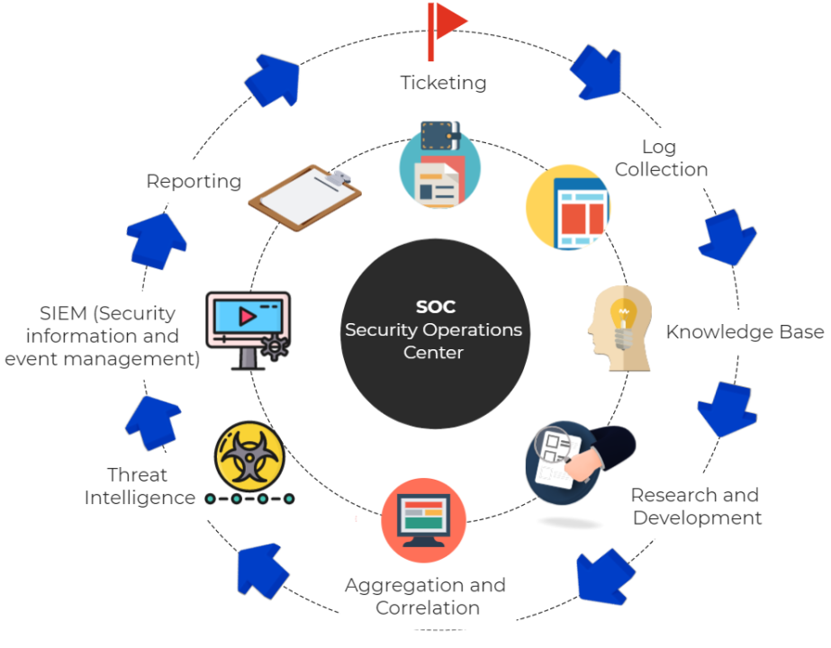
Mesh networking |  |  | A mesh network is a group of connectivity devices, such as Wi-Fi routers that act as a single network, so there are multiple sources of connectivity around your house instead of just a single router. Zigbee uses a mesh network topology, which allows for devices to communicate with each other without the need for a central hub or router. This makes it ideal for use in smart home applications where devices need to communicate with each other and with a central control hub.
NFC | Near Field Communication |  | a set of short-range wireless technologies, typically requiring a distance of 4cm or less to initiate a connection.
HFS | Hierarchical File System |  | for MAC OS
NTFS |  |  | which is also sometimes called the New Technology File System, is a process that the Windows NT operating system uses for storing, organising, and finding files on a hard disk efficiently.
Z-Wave |  |  | Z-Wave-certified devices are used for remote control and management in a variety of smart home and IoT devices and applications 100m open air/building 30m
DSL | Digital Subscriber Line |  | a modem technology that uses existing telephone lines to transport high-bandwidth data, such as multimedia and video, to service subscribers.
Port forwarding | Or Port Mapping |  | Port forwarding, also known as port management, allows remote servers and devices on the internet to be able to access devices that are on a private network.
NAT/NAPT | Network Address Translation/Network Address Port Translation |  | a method of mapping an IP address space into another by modifying network address information in the IP header of packets while they are in transit across a traffic routing device.
DMZ | Demilitarized Zone |  | a physical or logical subnetwork that contains and exposes an organization's external-facing services to an untrusted, usually larger, network such as the Internet. The purpose of a DMZ is to add an additional layer of security to an organization's local area network (LAN): an external network node can access only what is exposed in the DMZ, while the rest of the organization's network is protected behind a firewall. The DMZ functions as a small, isolated network positioned between the Internet and the private network.
WebDAV | Web Distributed Authoring and Versioning
IM | Instance Manipulation |  | IM stands for instance manipulation, which refers to the algorithm generating a delta. In delta encoding, a client sends a GET request with two headers: A-IM:, which indicates a preference for a differencing algorithm, and If-None-Match, which specifies the version of a resource it has. The server responds with deltas relative to a given base document, rather than the document in full. This response uses the 226 status code, an IM: header that describes the differencing algorithm used, and may include a Delta-Base: header with the ETag matching the base document associated to the delta.

